Shortcuts
Shortcut Keys

 | Shortcut | Use | Example | Notes
 | CTRL + A | Select All | Select everything on the sheet | Works in other applications, too.
 | CTRL + Z | Undo | Will "undo" your last action | Keep pressing it to keep going farther back through previous actions. Great for testing formulas!
 | CTRL + SHIFT + V | Paste Values Only | Will paste text without formulas or formatting | Previously could only access by right-clicking and selecting the Paste Values icon; in newer Excel versions, you can use the keyboard shortcut
 | F4 or CTRL + Y | Redo your last action | Highlight a cell yellow, go to another cell then press F4 to turn it yellow. | This only repeats the very last thing you did. CTRl + Y works on older versions of Excel
 | F4 (active) | Add "$" to cell references to lock the reference | In a formula, type A2 then press F4 to add "$". Repeat to cycle through location | You can double-click on a cell to make that "Active." When active, and in a formula, pressing A4 will add $ to the reference to "lock" the location. Repeatedly pressing it will cycle through the location options for $
 | CTRL+SHIFT+L | Turns Filters on or off | Click a cell and press CTRL + Shift + L to turn filters on or off in that spot | You can highlight a certain row to turn filters on in that row, or select the entire spreadsheet to add filters to the top row
 | ALT+ENTER | Line Break ([Enter]) | Press ALT+Enter to create a new line inside of a cell. | Entering numbers this way in Excel will keep them from working in math formulas.
 | CTRL+ ↨ | Move to the farthest top, bottom, left or right | Click on a header then press CTRL+ ↓ to go to the last row in that column | If there's a blank cell, it will stop at the blank. CTRL + ↑ goes to the top, CTRL + ← goes to the far left, CTRL + → goes to the far right.
 | CTRL + SHIF T+ ↨ | Selects everything from your starting point to the farthest cell | Click on a header then press CTRL+ SHIFT + ↓ to select everything in that column | If there's a blank cell, it will stop at the blank. CTRL + SHIFT + ↑ selects everything in that column to the top, CTRL + ← selects everything in that row to the far left, etc
 | CTRL + D | Fill Down | Fills highlighed cells with the cell contents one cell above | Does not work if a blank is between the last cell and the highlighted cells
 | CTRL + R | Fill Right | Fills highlighted cells with cell contents one cell to the left | Does not work if a blank is between the last cell and the highlighted cells
 | CTRL+G | Go To (The Special Menu) | CTRL + G > Special… for the Special Menu | This is a whole menu of special functions you can do in Excel - see below.

 |  | Special Menu Breakdown:

 | When you press CTRL+G, you will see a menu called Go To. At the bottom left, click on Special… to access the special menu. This menu lets you select cells based on certain criteria.
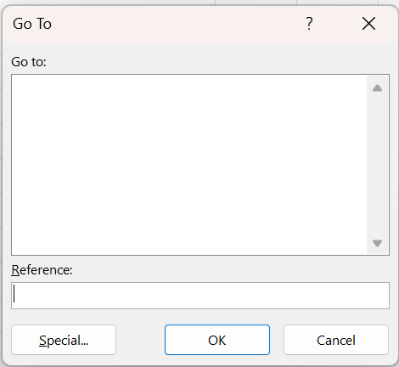
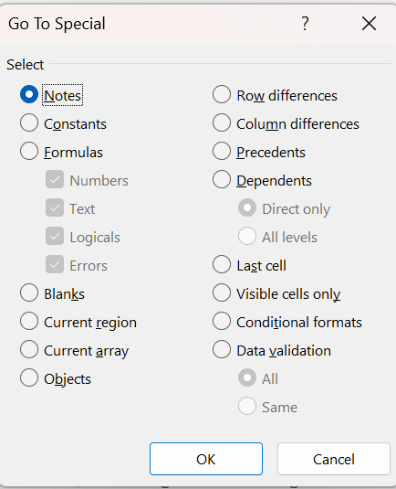

 |  |  | Menu Item | What It Selects
 |  |  | Notes | Cells that contain comments (Excel 2016 and earlier) or threaded notes (Excel 365)
 |  |  | Constants | Cells with values that aren't calculated (typed-in numbers, text, etc.)
 |  |  | Formulas | Cells that contain formulas
 |  |  | Blanks | All blank (empty) cells in the selected range
 |  |  | Current Region | The "block" of data surrounding the active cell (like Ctrl + A on a table)
 |  |  | Current Array | The full array formula range (useful if using CTRL+SHIFT+ENTER formulas)
 |  |  | Objects | Any shape, chart, image, or other embedded object
 |  |  | Row Differences | In a row, highlights values that differ from the first cell in that row
 |  |  | Column Differences | In a column, highlights values that differ from the top cell in that column
 |  |  | Precedents | Cells that are referenced by the active formula
 |  |  | Dependents | Cells that use (depend on) the current cell in their formula
 |  |  | Last Cell | The last used cell on the sheet (even if deleted)
 |  |  | Visible Cells Only | All non-hidden cells
 |  |  | Conditional Formats | Cells that have conditional formatting rules applied
 |  |  | Data Validation | Cells with data validation rules (like dropdowns or input limits)

 | Most of these have very useful, direct purposes, but two have especially useful indirect uses: Blanks and Visible Cells Only

 | Function | Direct Use | Indirect Use
 | Blanks | Selects only blanks within a range, ignoring other cells | Combine this with a formula or text to quickly fill any blanks. Very useful for copying down or adding to the previous cell

 | Example:

 | Lease # | Lessor | Blanks [ = ↑ ] [ CTRL + Enter ]
 | OK-L0007198 | Terri Hubbard | To copy down the cell directly above each blank:
 | OK-L0007199 | Joshua Davis | Highlight the Lease Column and press CTRL + G. Select Special, then Blanks and click OK.
 |  |  | With the blanks highlighted, type an equal sign [ = ] then press your up arrow and press CTRL + Enter
 | OK-L0007200 | Charlene Edwards
 | OK-L0007201 | Donna Cox
 |  |  | Blanks [ Text ] [ CTRL + Enter ]
 | OK-L0007202 | Sharon Robinson | To enter the same text in every blank:
 | OK-L0007203 | Anthony Velez | Highlight the Lease Column and press CTRL + G. Select Special, then Blanks and click OK.
 | OK-L0007204 | Thomas Crosby | With the blanks highlighted, type the text you want in every blank (like [ TRACT ] for example) then press your up arrow and press CTRL + Enter

 | Function | Direct Use | Indirect Use
 | Visible Cells Only | Select visible cells, ignoring filtered or hidden cells | Use this to ensure you aren't accidentally overwriting cells that are filtered, hidden, or collapsed in a subtotal

 | While you're usually safe to paste information over a filtered range, there are times it can still affect your hidden data. If you use the Subtotal function to create collapsable groups, these always overwrite the hidden cells
 | if you're not careful. To avoid overwriting hidden cells, select the Visible Cells Only before you paste. This is very similar to the Blanks function, but you can also overwrite existing data instead of just blanks.

 | Lease # | Lessor | Net Acres
 | OK-L0007198 | Terri Hubbard | 1.50000
 | OK-L0007198 | Terri Hubbard | 0.66667
 | OK-L0007198 Total |  | 2.16667
 | OK-L0007199 | Joshua Davis | 1.50000
 | OK-L0007199 | Joshua Davis | 5.00000
 | OK-L0007199 Total |  | 6.50000
 | OK-L0007200 Total |  | 16.59365
 | OK-L0007201 Total |  | 6.26505
 | OK-L0007202 Total |  | 11.62500
 | OK-L0007203 Total |  | 5.70225
 | OK-L0007204 Total |  | 2.32500
 | Grand Total |  | 51.17761

 | Example:
 | Click the Plus/Minus toggles on the left to collapse the entries above so you only see the total rows. Highlight the table, press [ CTRL + G ], then Visible Cells Only.
 | Add formatting to the cells like borders, colors, and changing the font size. When you expand the table, the individual lease entries will not have the new formatting.

